Robe Specs & Handle Options
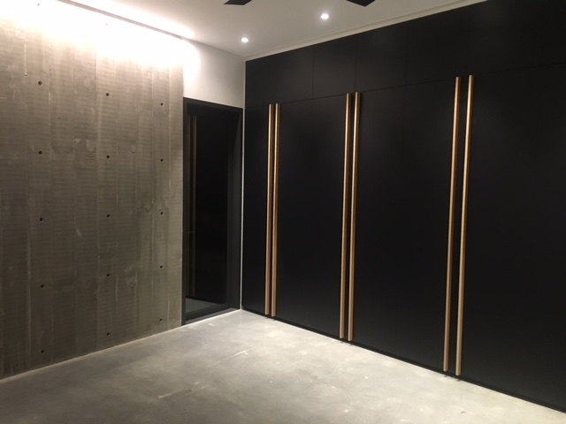
image 1
1 Door Robes |  | 2 Door Robes |  | Handles
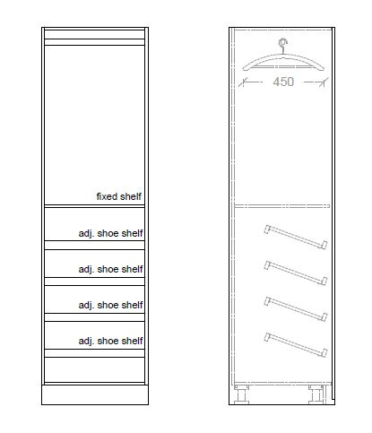 | Shirt Hangong / 3 Drawers OL.B.1.1 | 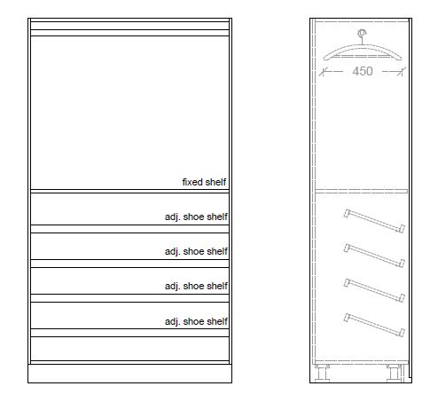 | Shirt Hangong / 3 Drawers OL.B.2.1 | Brushed Inox (Stainless Steel look) (200 or 350mm) (As shown in image 1) | A | 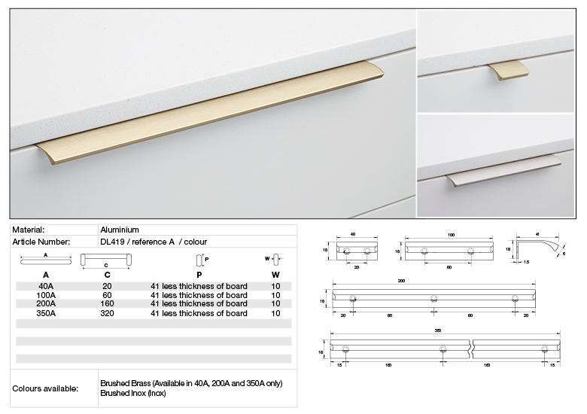
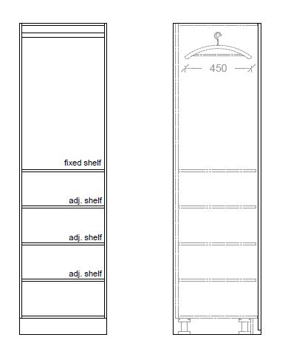 | Shelves / 3 Drawers OL.B.1.2 | 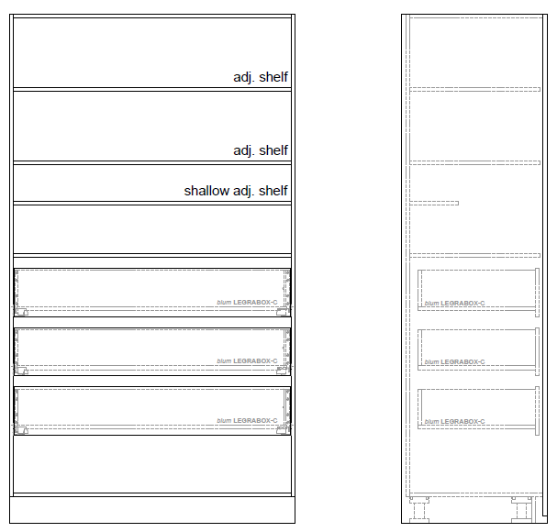 | Shelves / 3 Drawers OL.B.2.2 | Brushed Brass (200 or 350mm) (As shown in image 1) | B
image 2
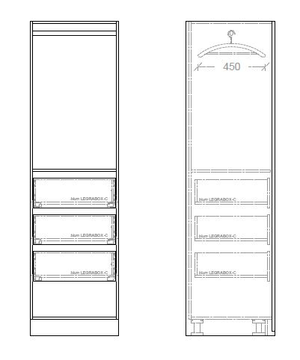 | 3/4 Hanging / 2 Drawers OL.B.1.3 | 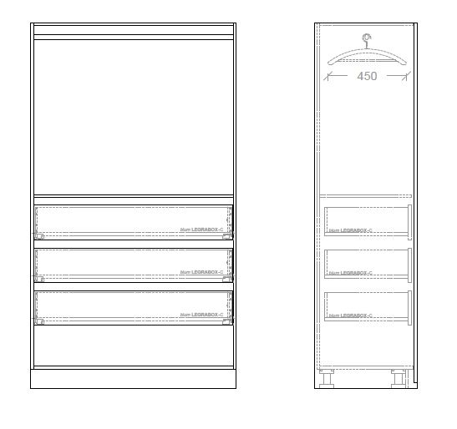 | 3/4 Hanging / 2 Drawers OL.B.2.3 | Blackbutt Timber Handles (40 x 20 x 1970mm) LIBERON Sanding Sealer Finish (As shown in image 2) | C
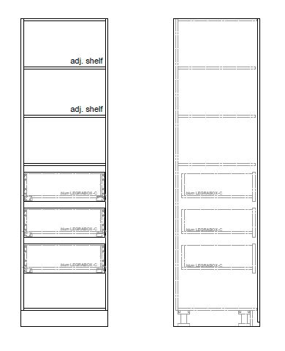 | Shirt Hanging / Shoe Shelves OL.B.1.4 |  | Shirt Hanging / Shoe Shelves OL.B.2.4 |  | D
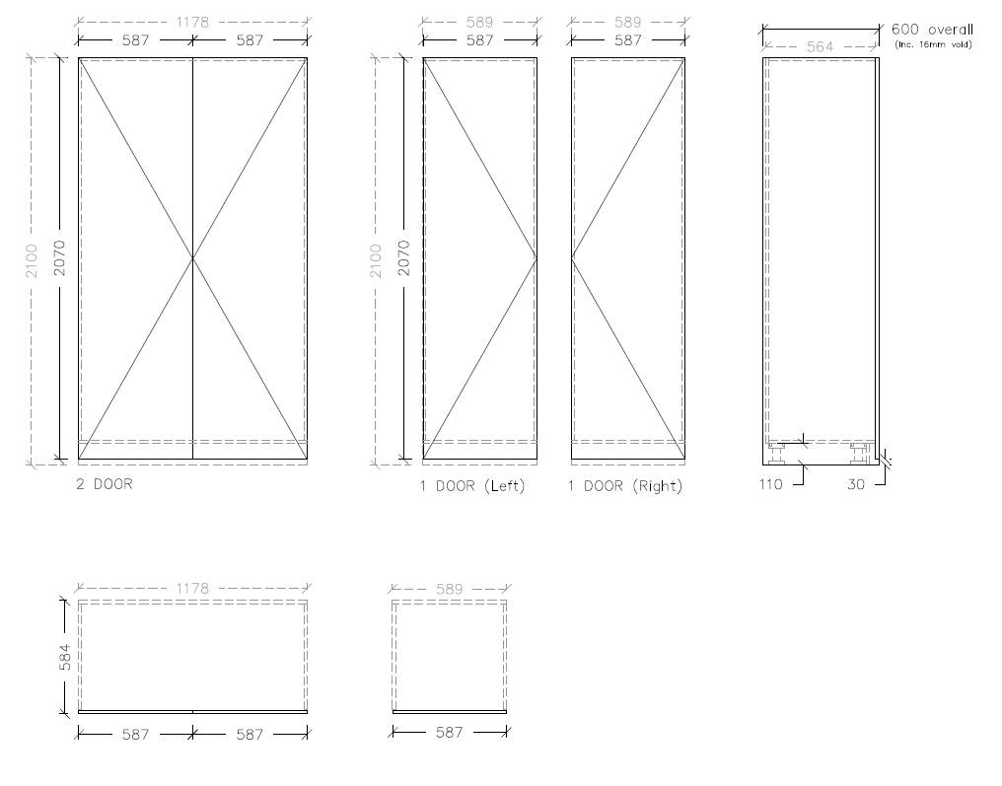
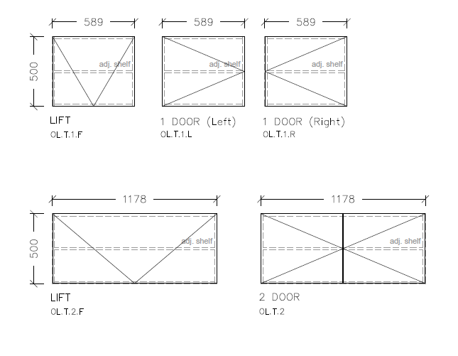
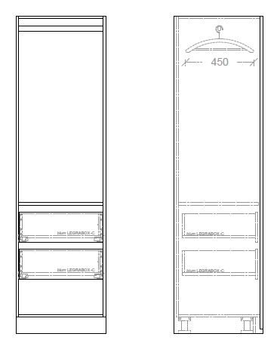 | Shirt Hanging / Shelves OL.B.1.5 | 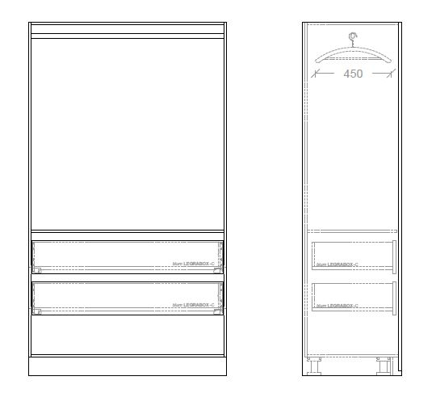 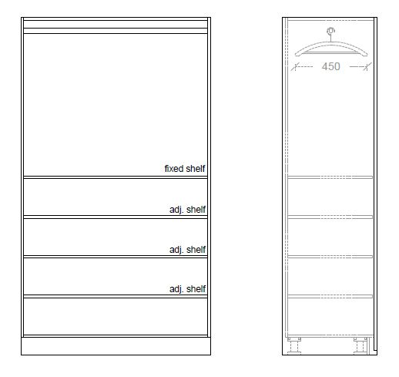 | Shirt Hanging / Shelves OL.B.2.5
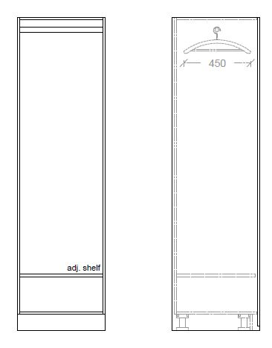 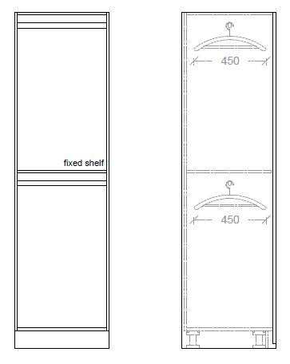 | Double Shirt Hanging OL.B.1.6 | 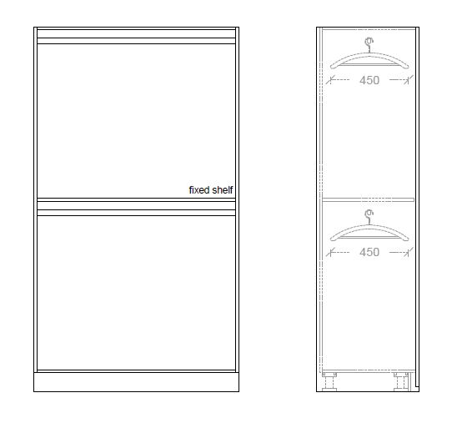 | Double Shirt Hanging OL.B.2.6
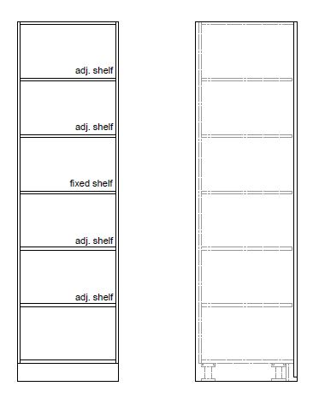 | Full Shelves OL.B.1.7 | 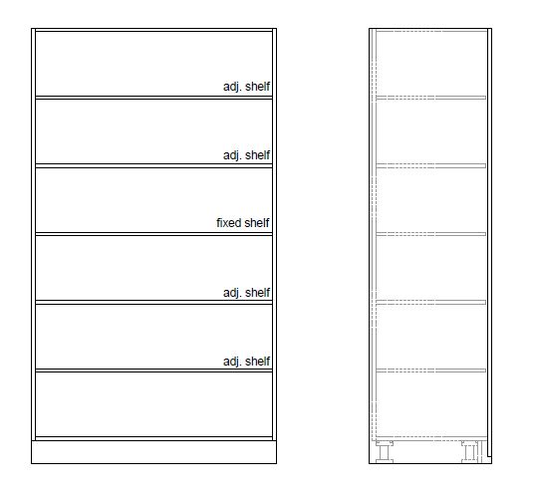 | Full Shelves OL.B.2.7
 | Full Length Hanging OL.B.1.8 | 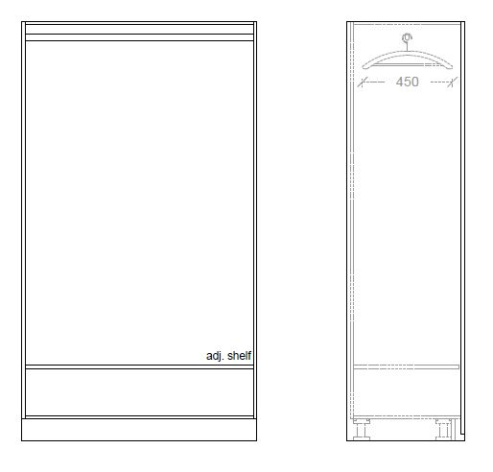 | Full Length Hanging OL.B.2.8

